Sheet2
trials.thisTrialN | tilt | trials.thisTrialN | key_resp.corr
0 | 10 | 0 | 1
1 | 8 | 1 | 1
2 | 6 | 2 | 1
3 | -4 | 3 | 1
4 | -2 | 4 | 1 | 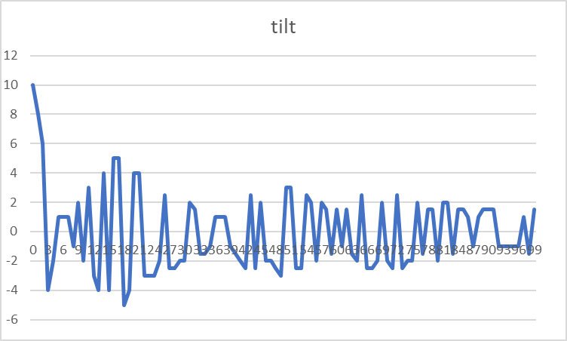
5 | 1 | 5 | 1
6 | 1 | 6 | 1
7 | 1 | 7 | 1
8 | -1 | 8 | 0
9 | 2 | 9 | 1
10 | -2 | 10 | 0
11 | 3 | 11 | 1
12 | -3 | 12 | 0
13 | -4 | 13 | 1
14 | 4 | 14 | 1
15 | -4 | 15 | 0
16 | 5 | 16 | 1
17 | 5 | 17 | 1
18 | -5 | 18 | 1
19 | -4 | 19 | 1
20 | 4 | 20 | 1
21 | 4 | 21 | 1
22 | -3 | 22 | 1
23 | -3 | 23 | 1
24 | -3 | 24 | 1
25 | -2 | 25 | 0
26 | 2.5 | 26 | 1
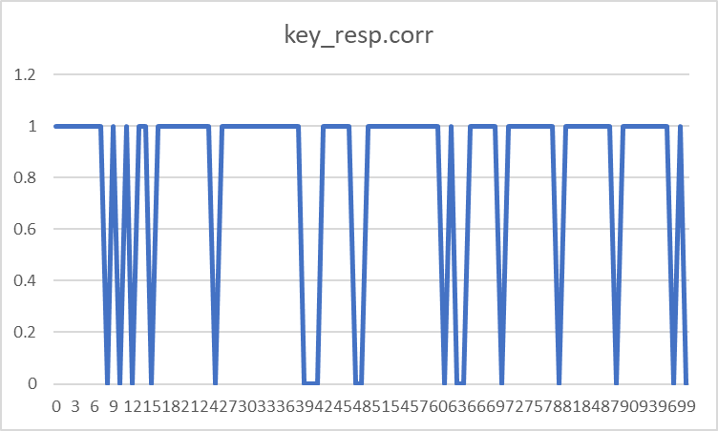
27 | -2.5 | 27 | 1
28 | -2.5 | 28 | 1
29 | -2 | 29 | 1
30 | -2 | 30 | 1
31 | 2 | 31 | 1
32 | 1.5 | 32 | 1
33 | -1.5 | 33 | 1
34 | -1.5 | 34 | 1
35 | -1 | 35 | 1
36 | 1 | 36 | 1
37 | 1 | 37 | 1
38 | 1 | 38 | 1
39 | -1 | 39 | 0
40 | -1.5 | 40 | 0
41 | -2 | 41 | 0
42 | -2.5 | 42 | 1
43 | 2.5 | 43 | 1
44 | -2.5 | 44 | 1
45 | 2 | 45 | 1
46 | -2 | 46 | 1
47 | -2 | 47 | 0
48 | -2.5 | 48 | 0
49 | -3 | 49 | 1
50 | 3 | 50 | 1
51 | 3 | 51 | 1
52 | -2.5 | 52 | 1
53 | -2.5 | 53 | 1
54 | 2.5 | 54 | 1
55 | 2 | 55 | 1
56 | -2 | 56 | 1
57 | 2 | 57 | 1
58 | 1.5 | 58 | 1
59 | -1.5 | 59 | 1
60 | 1.5 | 60 | 1
61 | -1 | 61 | 0
62 | 1.5 | 62 | 1
63 | -1.5 | 63 | 0
64 | -2 | 64 | 0
65 | 2.5 | 65 | 1
66 | -2.5 | 66 | 1
67 | -2.5 | 67 | 1
68 | -2 | 68 | 1
69 | 2 | 69 | 1
70 | -2 | 70 | 0
71 | -2.5 | 71 | 1
72 | 2.5 | 72 | 1
73 | -2.5 | 73 | 1
74 | -2 | 74 | 1
75 | -2 | 75 | 1
76 | 2 | 76 | 1
77 | -1.5 | 77 | 1
78 | 1.5 | 78 | 1
79 | 1.5 | 79 | 0
80 | -2 | 80 | 1
81 | 2 | 81 | 1
82 | 2 | 82 | 1
83 | -1.5 | 83 | 1
84 | 1.5 | 84 | 1
85 | 1.5 | 85 | 1
86 | 1 | 86 | 1
87 | -1 | 87 | 1
88 | 1 | 88 | 0
89 | 1.5 | 89 | 1
90 | 1.5 | 90 | 1
91 | 1.5 | 91 | 1
92 | -1 | 92 | 1
93 | -1 | 93 | 1
94 | -1 | 94 | 1
95 | -1 | 95 | 1
96 | -1 | 96 | 1
97 | 1 | 97 | 0
98 | -1.5 | 98 | 1
99 | 1.5 | 99 | 0

